Execution Summaries
1. Execution Summary |  |  |  | 4. Defects by Severity
Metric | Count |  |  | Severity | Count
Total Test Cases | 99 |  |  | Critical | 0
Executed | 99 |  |  | High | 1
Passed | 96 |  |  | Medium | 1
Failed | 3 |  |  | Low | 2
Blocked | 0
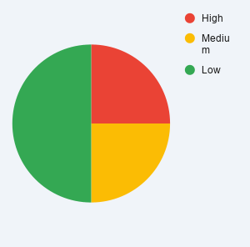
Not Executed | 0
Pass % | 96.97%

2. Module-wise Summary
Module | Total | Passed | Failed
Login | 43 | 43 | 0
Registration | 16 | 15 | 1
Search | 9 | 9 | 0
Cart | 9 | 9 | 0
Checkout | 9 | 8 | 1
Logout | 8 | 8 | 0
Cross Functional | 5 | 4 | 1

3. Failed Test Cases
Module | Test Case | Bug ID
Registration | TC_R06 | OC-1
Checkout | TC_CH03 | OC-3
Cross Functional | TC_X04 | OC-4

